Highest Revenues
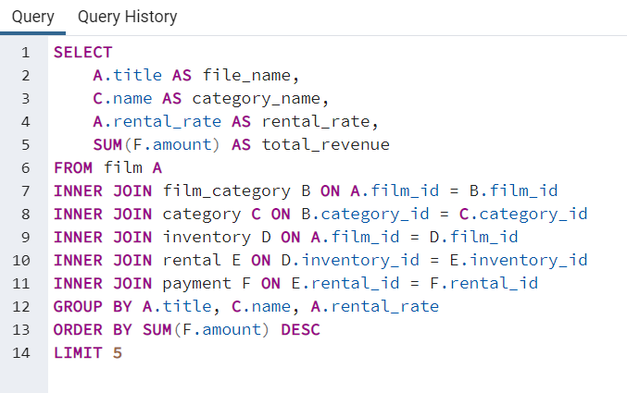
category_name | rental_rate | total_revenue
Drama | 4.99 | 2734.65
Games | 4.99 | 2391.26
Sports | 4.99 | 2363.15
Comedy | 4.99 | 2172.6
New | 4.99 | 1976.95
Foreign | 4.99 | 1912.84
Sci-Fi | 4.99 | 1874.09
Horror | 4.99 | 1829.07
Action | 4.99 | 1804.22
Travel | 4.99 | 1772.89

Lowest Revenues
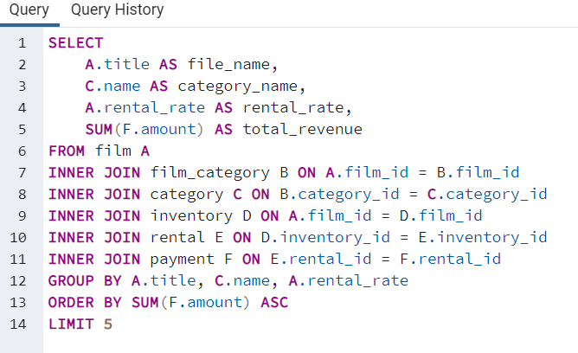
file_name | category_name | rental_rate | total_revenue
Duffel Apocalypse | Documentary | 0.99 | 5.94
Texas Watch | Horror | 0.99 | 5.94
Oklahoma Jumanji | New | 0.99 | 5.94
Freedom Cleopatra | Comedy | 0.99 | 5.95
Young Language | Documentary | 0.99 | 6.93

Customer Location
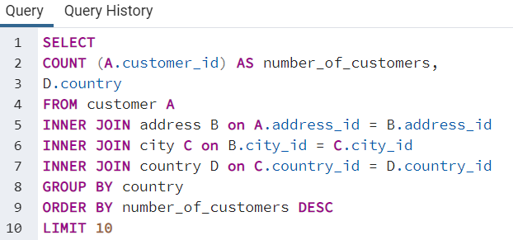
number_of_customers | country
60 | India
53 | China
36 | United States
31 | Japan
30 | Mexico
28 | Brazil
28 | Russian Federation
20 | Philippines
15 | Turkey
14 | Indonesia

Lifetime Value
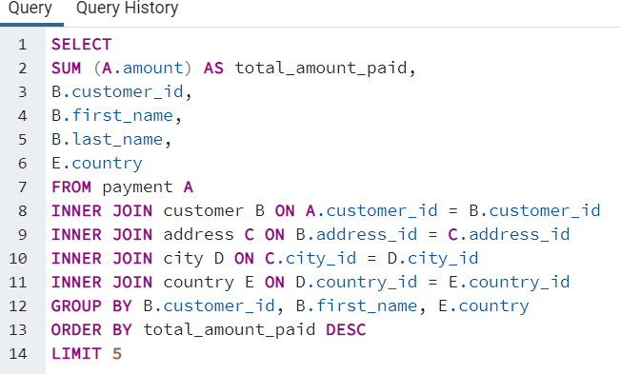
total_amount_paid | customer_id | first_name | last_name | country
211.55 | 148 | Eleanor | Hunt | Runion
208.58 | 526 | Karl | Seal | United States
194.61 | 178 | Marion | Snyder | Brazil
191.62 | 137 | Rhonda | Kennedy | Netherlands
189.6 | 144 | Clara | Shaw | Belarus

Geographic Regions
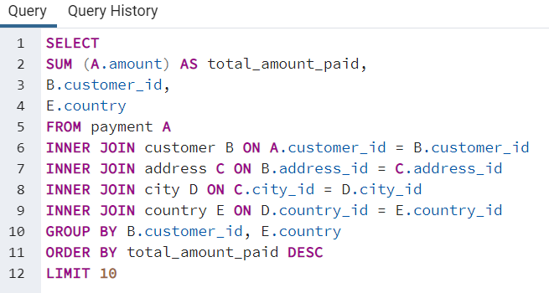
total_amount_paid | customer_id | country
211.55 | 148 | Runion
208.58 | 526 | United States
194.61 | 178 | Brazil
191.62 | 137 | Netherlands
189.6 | 144 | Belarus
183.63 | 459 | Iran
167.67 | 181 | United States
167.62 | 410 | Canada
166.61 | 236 | Philippines
162.67 | 403 | India

